Operational dataset
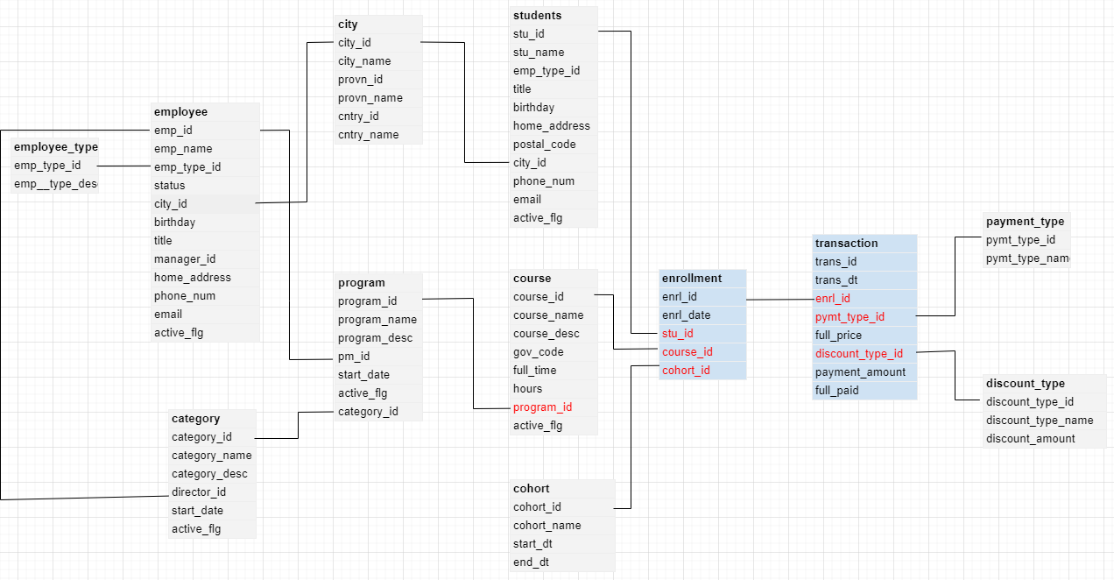
course |  | cohort |  | program |  | category |  | employee |  | employee_type |  | students |  | city |  | payment_type |  | discount_type
course_id | int | cohort_id | int | program_id | int | category_id | int | emp_id | int | emp_type_id | int | stu_id | int | city_id | int | pymt_type_id | int | discount_type_id | int
course_name | varchar(30) | cohort_name | varchar(30) | program_name | varchar(30) | category_name | varchar(30) | emp_name | varchar(100) | emp__type_desc | varchar(100) | stu_name | varchar(100) | city_name | varchar(100) | pymt_type_name | varchar(30) | discount_type_name | varchar(30)
course_desc | varchar(150) | start_dt | date | program_desc | varchar(150) | category_desc | varchar(150) | emp_type_id | int |  |  | title | date | provn_id | int |  |  | discount_rate | numeric
gov_code | varchar(10) | end_dt | date | pm_id | int | director_id | int | status | varchar(30) |  |  | birthday | int | provn_name | varchar(100)
hours | int |  |  | start_date | date | start_date | date | city_id | int |  |  | home_address | varchar(300) | cntry_id | int
program_id | int |  |  | active_flg | boolean | active_flg | boolean | birthday | int |  |  | postal_code | varchar(30) | cntry_name | varchar(100)
active_flg | boolean |  |  | category_id | int |  |  | title | date |  |  | city_id | int
 |  |  |  |  |  |  |  | manager_id | boolean |  |  | phone_num | int
 |  |  |  |  |  |  |  | home_address | varchar(300) |  |  | email | varchar(100)
 |  |  |  |  |  |  |  | phone_num | int |  |  | active_flg | boolean
 |  |  |  |  |  |  |  | email | varchar(100)
 |  |  |  |  |  |  |  | active_flg | boolean

enrollment |  | transaction
enrl_id | int | trans_id | int
enrl_date | date | trans_dt | date
stu_id | int | enrl_id | int
course_id | int | pymt_type_id | int
cohort_id | int | full_price | numeric
 |  | discount_type_id | int
 |  | payment_amount | numeric
 |  | full_paid | boolean

